1. Title Page
[2017 Exploratory Analysis]

Project Name: 2017 Exploratory Analysis
Date: 5/20/2023
Analyst Name: Jonathan Owens

Contents:
Population Flow
Consistency checks
Wrangling steps
Column derivations
Visualizations
Recommendations

“The Instacart Online Grocery Shopping Dataset 2017”, Accessed from www.instacart.com/datasets/grocery-shopping-2017 via Kaggle on [4-26-23].

Note that the customer data for Exercises 4.9 and 4.10, as well as the “prices” column in the products data set, were both fabricated for the purpose of this CareerFoundry course.

2. Population Flow
Title page

Population flow

Exclusion flag
Condition: max_order <
Obervations to be removed:
Final total count of order_products_all:

Orders_products_combined
Orders_products_merged
Orders_products_all

Total: 32404859, 14
Total: 32434489, 10
Total: 32404859, 32

1.) The grey boxes in the first row of the population flow represent the original data sets as they were when you downloaded them. In the Total fields you need to add the count of the rows when you imported the data set into Jupyter.
2.) The second row of boxes (coloured) represents the data sets after you manipulated them, e.g., removed missing values and duplicates. In the Total fields you need to add the count of the rows after conducting these operations. This offers a visual oveview of how the data flows throughout the data consistency checks.
3.) The third row, where also the arrows are coloured, represents the merges you performed between the datasets. In the Total fields you need to add the count of the rows in the merged datasets, so that you end up with the final dataset (in the red box). Keep in mind the final dataset should be without exclusions (based on the exclusion flag).

3. Consistency checks
 |  |  |  | Title page
Consistency checks

Dataset | Missing values | Missing values treatment | Duplicates
orders | days_since_prior_order column | No treatment | None
products | product_name column had 16 values missing | Dropped | 5 Duplicates found and dropped
orders_products_prior | None | N/a | None
customers | None | N/a | None

4. Wrangling steps
 |  |  |  | Title page
Wrangling steps

Columns dropped | Columns renamed | Columns' type changed | Comment/Reason
 | order_dow |  | Renamed to order_day_of_week for clarity
 | n_dependants |  | Renamed to Number of Dependants
 | fam_status |  | Renamed to family_status
 |  | order_id | Changed from Int to Str
 |  | user_id | Changed from Int to Str

5. Column derivations
 |  |  |  | Title page

Column derivations and aggregations

In this tab you should add tables below that the frequences of flags/label variables that you produced after deriving them. NB: don't do this for continuous variables, only for flags.
Dataset | New column | Column/s it was derived from | Conditions
df_combined | Region | State | Seperated States into 4 US regions based off of the provided instructions

 | low_activity_flag | max_order | ['max_order'] < 5, 'low_activity_flag'] = 'Low-activity customer'
 |  |  | ['max_order'] >= 5, 'low_activity_flag'] = 'High-activity customer'

 | age_profile | Age | <=25 = Young
 |  |  | 26-64 = Middle-aged
 |  |  | >=65 = Senior

 | income_profile | income | >= 60k = Low-income
 |  |  | >= 60k and < 125k = Mid-income
 |  |  | >=125k = High-income

 | vegan_profile | Department and userid cross | If customer made purchases from Deparment_id 10(meat) or 16(diary), then = Non-Vegan
 |  |  | Else, = Vegan

 | variety_profile | Department and userid cross | If customer had purchases only from Grocery/Food Departments then = Groceries Only
 |  |  | Else, = Variety Purchases

 | family_profile | Married and Number of Dependants | If dependants equal 0 and Married = Married with no children
 |  |  | If dependants equal more than 0 and married = Married with children
 |  |  | If dependants equal 0 and Single = Single no children
 |  |  | If dependants equal more than 0 and Single = Single with children

 | loyalty_flag | max_order | if max order > 40 = Loyal Customer
 |  |  | if max order <= 40 Regular customer
 |  |  | if max order <=10 New customer

 | avg_price | user_id and prices | transformed the mean of prices for every user into a integer value and assigned to correlating user

 | spending_flag | avg_price | if avg_price is >= 10 then = High spender
 |  |  | if avg_price is < 10 then = Low spender

 | median_freq | user_id and days_since_prior_order | transformed the median of days since prior order into a integer value and assigned to correlating user

 | order_freq_flag | median_freq | if median freq > 20 = non-frequent customer
 |  |  | if median freq >10 and <= 20 then = Regular customer
 |  |  | if median freq <=10 = Frequent customer

 | busiest_day | order_day_of_week | if orders_day_of_week = 0, Busiest day
 |  |  | if orders_day_of_week = 4, Least Busy
 |  |  | else Regularly Busy

 | busiest_days |  | if order_day_of_week = 0 & 1, Busiest day
 |  |  | if order_day_of_week = 4 & 3, Least Busy
 |  |  | else Regularly Busy

 | busiest_period_of_day | order_hour_of_day | 9-16, = most orders
 |  |  | 0-6, 23 = fewest orders
 |  |  | else, = average orders

 | price_range | prices | if item price <=, 5 Low-range product
 |  |  | if item price >5 and <= 15, Mid-range product
 |  |  | Else, High-range product

6. Visualizations
 |  |  |  |  | Title page

Visualisations

1. What are the busiest days of the week and hours of the day, (i.e., the days and times with the most orders) in order to schedule ads at times. |  |  |  |  |  | 2. At what time of day do customers spend the most money?



 |  | Busiest Days of Week, 0 is Saturday, 6 is Friday |  |  |  |  | Busiest Hour of Day

Observation: Tuesday and Wednesday are the slowest days. Saturday and Sunday are the busiest. |  |  |  |  |  | 9am to 6pm are the busiest order frequency times.

 |  |  | Income x Age |  | Day of week vs money spent

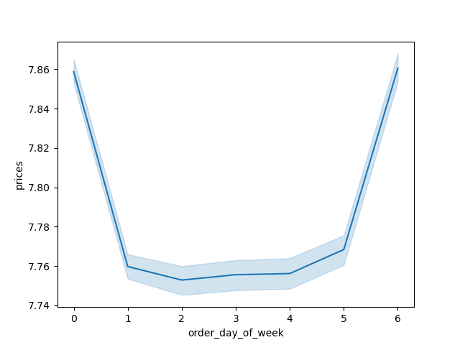

 | Observation: Income spikes upward when nearing the age of 40 and is consistent
 | from there. |  |  | Observation: It's clear people spend more money on the weekend.

 | The following graphs are a collection from the customer profile column derivations. Left to right are frequencies compared to department purchases, frequency by itself, and frequency separated by region.
 | This answers our project brief questions about differences in customer profiles and demographic information in the next tab(Recommendations).

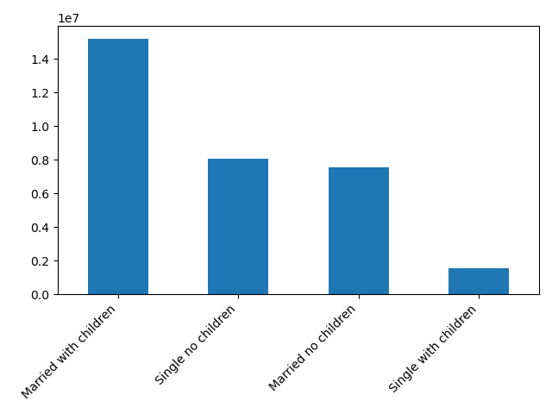
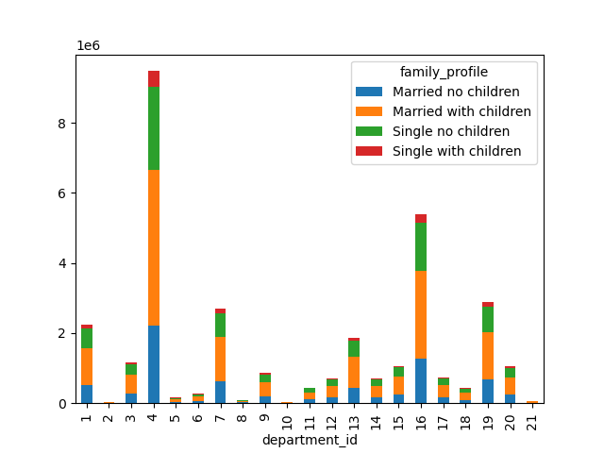

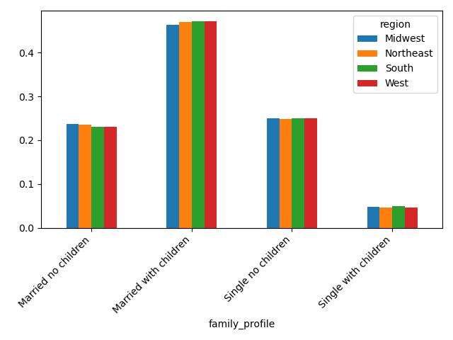

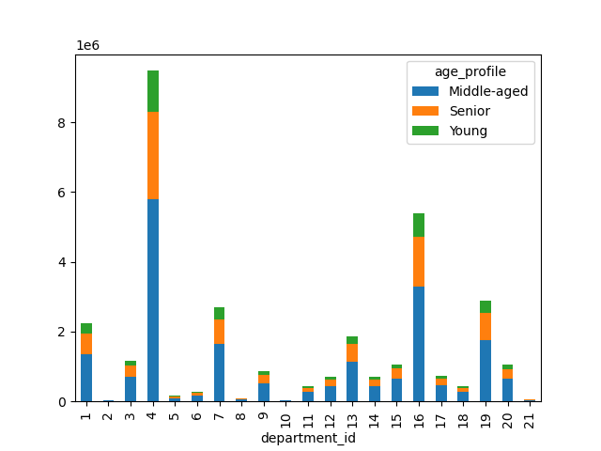
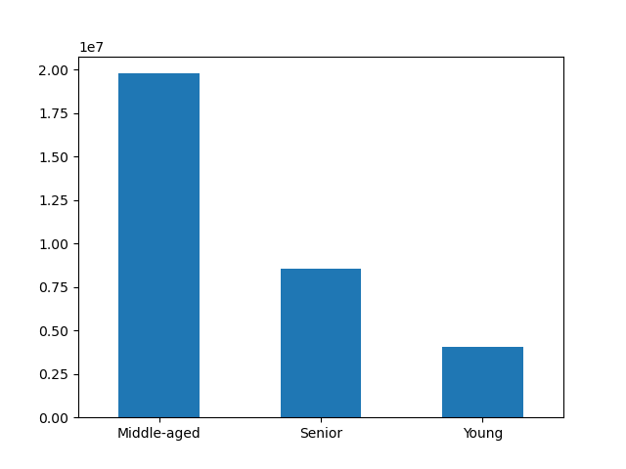
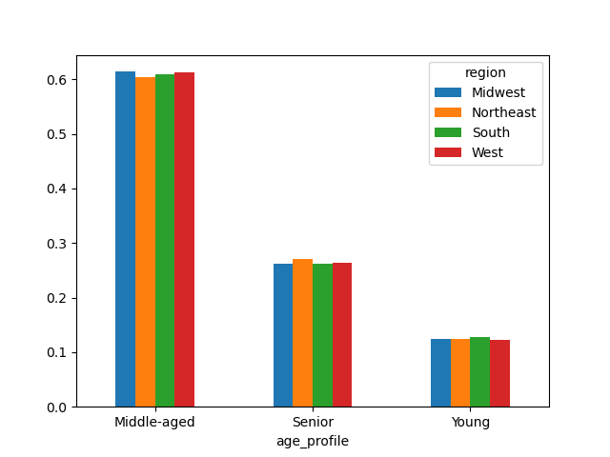

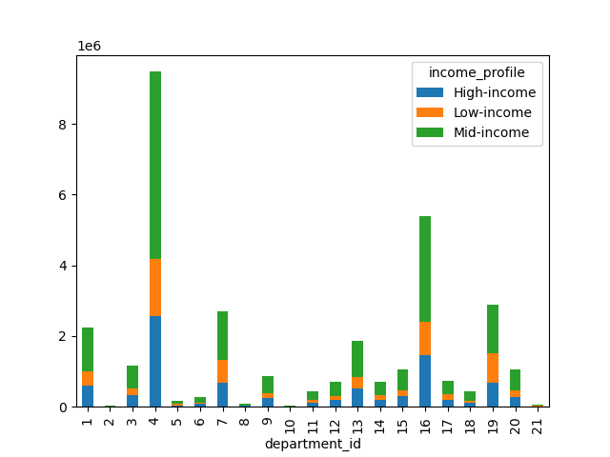
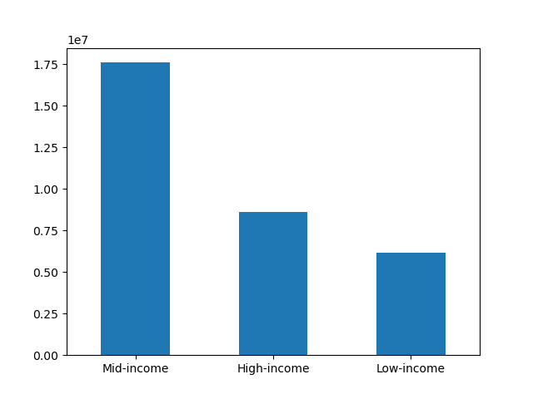
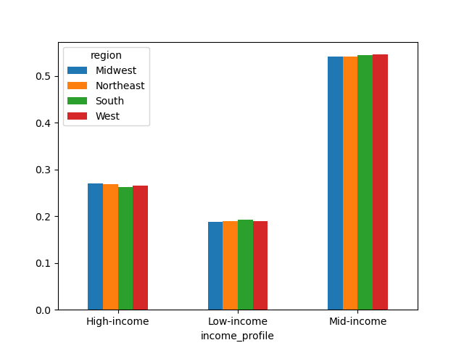

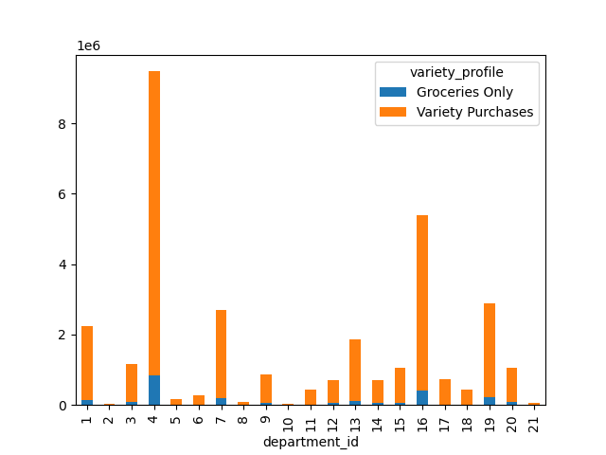
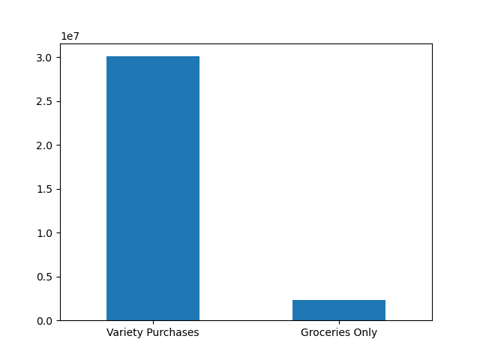
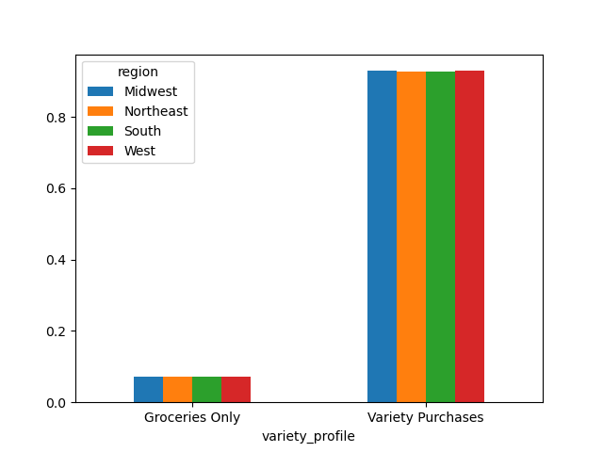

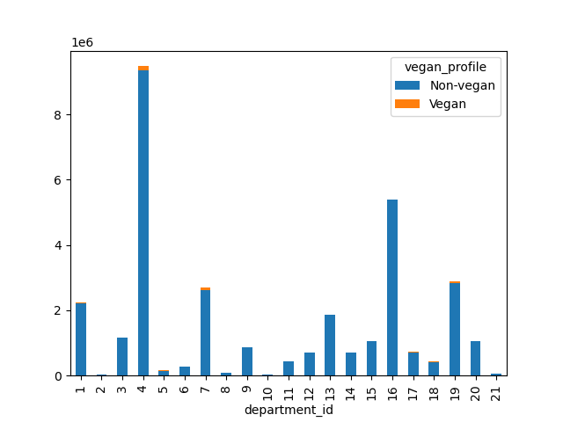
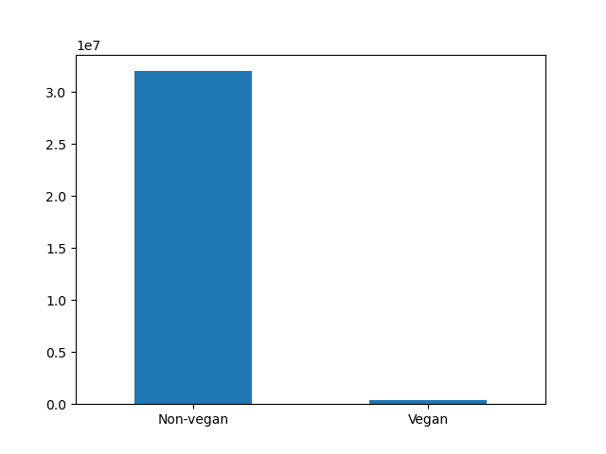
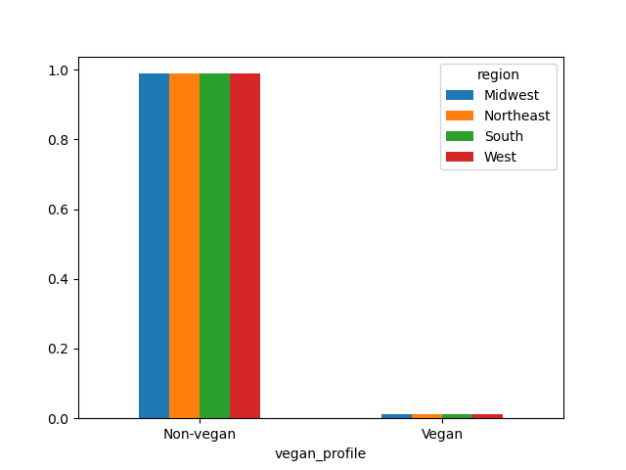

3. Are certain types of products more popular than others? Which departments have the highest frequency of product orders?
 |  |  | Department Order Frequency
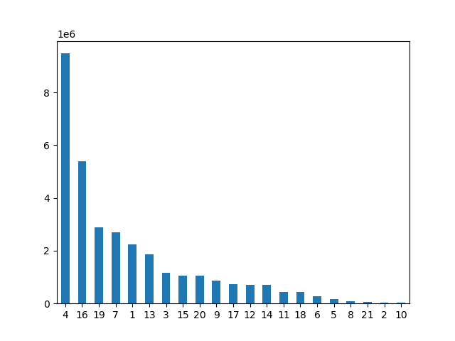

Observation: Produce and dairy have the largest frequency by a large margin

7. Recommendations
 |  |  | Title page

Recommendations

In this tab you should include any recommendations you would made to Instcart in terms of their marketing strategy based on the questions posed in the brief. Every key question has been covered in the Tasks of the Exercises - here you need to add an item - a visualisation or table/crosstable that is showing the answer in the data, acompanied by a comment from you. Please, list the questions below and add the answer underneath.

Question

Key Question 1 - The sales team needs to know what the busiest days of the week and hours of the day are (i.e., the days and times with the most orders) in order to schedule ads at times when there are fewer orders. |  | Key Question 2 - They also want to know whether there are particular times of the day when people spend the most money, as this might inform the type of products they advertise at these times.
Answer |  | Answer

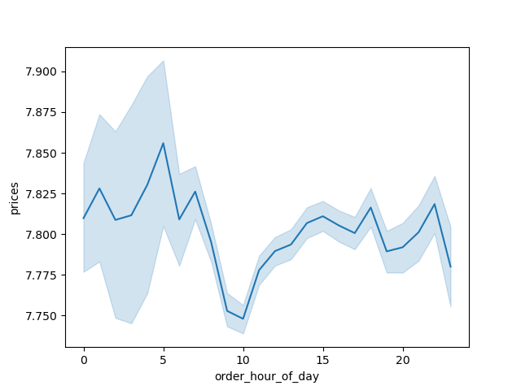

9am to 6pm are the busiest times to day, and Saturday and Sunday are the busiest days. Schedule ads on other days or times. |  | More expensive items are bought during the early morning of the day and falls off during late morning and early afternoon.
 |  | This is likely due to bulk orders coming in during the peak hours and specific orders during other times.

Key Question 3 - Instacart has a lot of products with different price tags. Marketing and sales want to use simpler price range groupings to help direct their efforts. |  | Key Question 4 - Are there certain types of products that are more popular than others? The marketing and sales teams want to know which departments have the highest frequency of product order
Answer |  | Answer


(This was the only chart made off of the exercises relevant to this question). |  | Produce and diary have the highest frequency and may be targeted in marketing and sales.
It's clear low spenders are much more frequent than high spenders, and should be targeted more in marketing.

Key Question 5 - What’s the distribution among users in regards to their brand loyalty (i.e., how often do they return to Instacart)? | Key Question 6 - Are there differences in ordering habits based on a customer’s region?
Answer | Answer
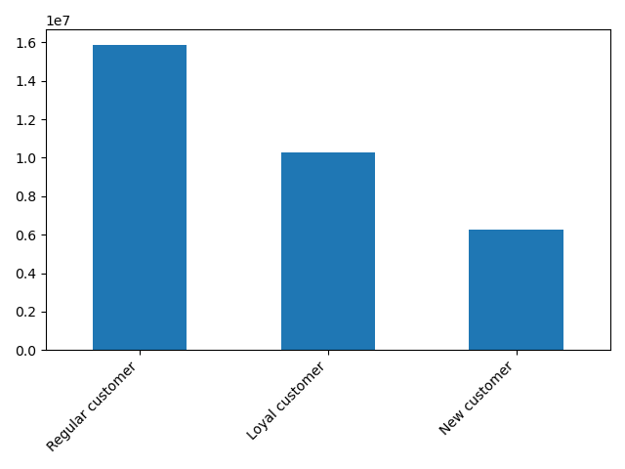
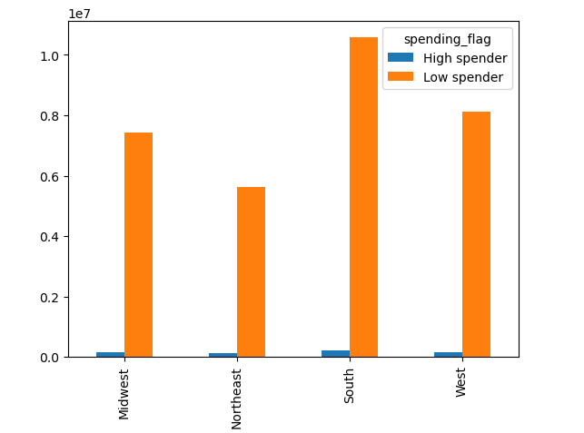

Regular customers are the most common, with new customers being the least common. | The south has the highest quantity of spenders overall, while the west has the highest % of high spenders. This should be taken into account with marketing.

Key Question 7 - What different classifications does the demographic information suggest? Age? Income? Certain types of goods? Family status?
Answer
The graphs can be found o nthe previous tab - Visualizations. Married with children is the largest family dynamic amongst shoppers and should be taken into account
Low-income shoppers are our least amount of shoppers by income, followed by high-income and middle-income.
Most shoppers are middle-aged.
Vegan shoppers are minimal in count but slightly are more prominent in the west, if marketing wished to target them.

